Sheet1
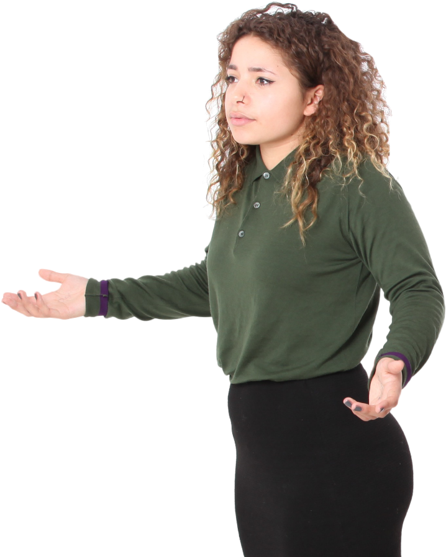
Result
Alphabets | A | B | C | D | E | A | B | C | D | E
D | A | B | C | D | E | A | B | C | D | E
A | A | B | C | D | E | A | B | C | D | E
B | A | B | C | D | E | A | B | C | D | E
A | A | B |  |  | E | A | B |  |  | E
A | A |  |  |  |  | A
Problem
A | A |  |  |  |  | A
B | A |  |  |  |  | A
B | A |  |  |  |  | A
C
B
C
Generate the result table from Alphabets table. There is a header row as well as shown in orange color in the output table. Hence, all values + Header row.
C
D
D
E
A
E
A
E
E
A
A

